A. NEC POS Package
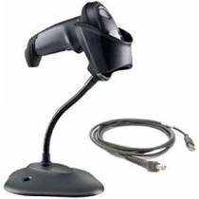
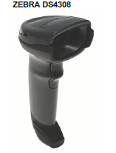
NEC POS Package
General Merchandise (GM)
TWINPOS G5100Li | Processor | Core i5-6500TE
 | RAM | 8GB
 | Storage | Primary (SSD) 256GB
 |  | Secondary (SSD) 128GB
 | Wi-Fi | M2 Slot
 | 2nd LCD | 10 inch
 | Camera + Camera on 2nd LCD
 | MSR
UPS | EATON 5L 650VA
Receipt Printer | BIXOLON SRP-Q300
Cash Drawer | RCD-410
2D Scanner | Zebra DS4608
Software | General Merchandise (GM) POS software
 | Trend Micro Deep Security - Malware Prevention - per Non-Server System (Kiosk/POS)

< Back to form

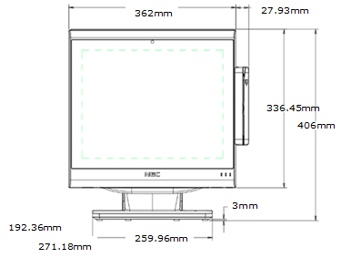
NEC TWINPOS G5100Li

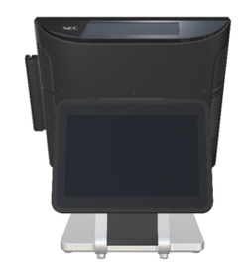
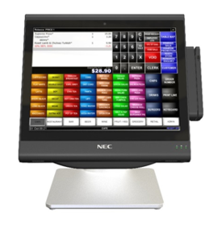

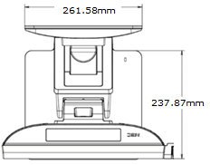

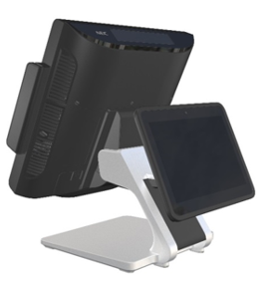
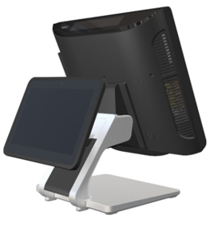

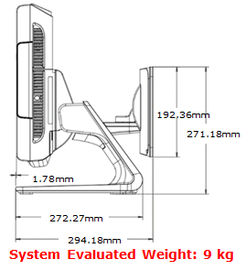

JEWEL POS Connection

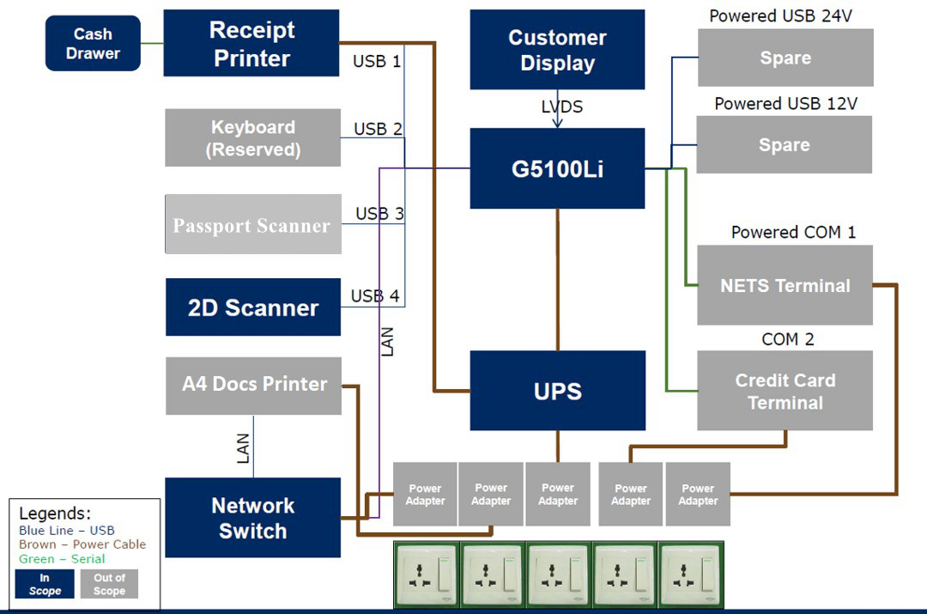

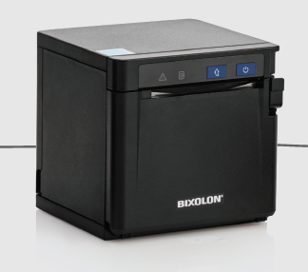
Printer
Bixolon SRP QE 300
Printing Method |  | Thermal line printing
Overall Dimensions (W X D X H) |  | 128 x 125 x 125 mm
Mass (Approx.) |  | 1130 g {2.49 lb}
Paper Dimensions (mm) |  | Up to 72 mm
Dot / Line
Dot / Inch |  | 180 dpi
Power
Supply Voltage |  | DC + 24 V ± 7 %
Power Consumption (Operating)
Operating Temperature |  | 0 - 40 ° C (32 - 104 ° F)
Humidity |  | 10 - 80 % RH
Power Supply |  | External power adaptor 100-240V AV

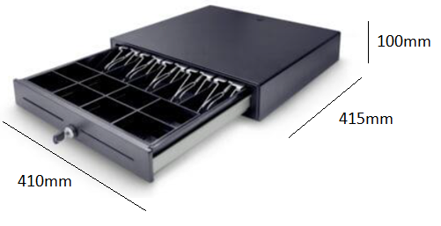
Cash Drawer
PS-410C
Dimension
Without Feet |  | 410Wx415Dx100H (mm)
With Feet |  | 410Wx415Dx110H (mm)
Features
Classic Cash Drawer with Two Media Slots
Thick Steel Housing with Wear-resistant Plastic Rollers & Steel Slide
Scratch Resistant Textured with Powder Coat
Rigid Large Spring with Smooth Push
Removable Money Tray Coin Case
4B8C / 5B8C : Bill (adjustable) Coin (removable)
Emergency Release Lever on the Chassis of Drawer
Cash Drawer Status Micro-switch
3-Position Key Lock with 100 Key Combinations
12V / 24V for RJ-11/RJ-12 Receipt Printer Interface
1 Millions Cycles Durability

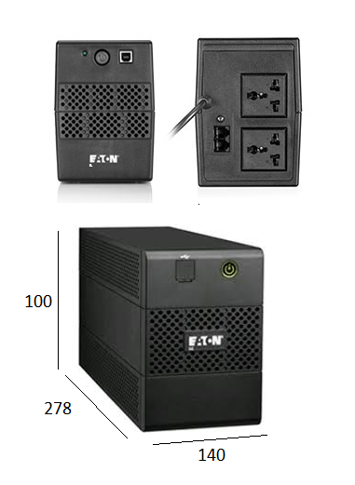
UPS
5L 650 (ASE)
Dimensions (H x W x D, mm) |  | 100 x 140 x 278 (mm)
Rating (VA/Watts) |  | 650VA/360W
Weight (kg) |  | 4.3
Electrical Input
Input Voltage Without Using Batteries |  | 160-290V
Operating Frequency |  | 50Hz
Connection |  | (1) BS
Electrical Output
Voltages |  | 230V
Output Receptacles |  | (2) UNIversal

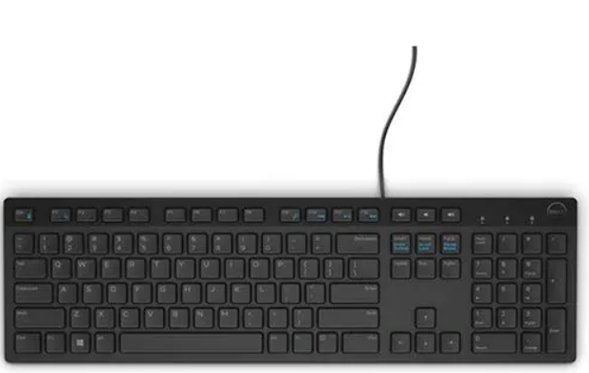
Keyboard
Dell KB216 Keyboard
Dimensions (WxDxH) |  | 17.4 in x 5 in x 1 in

Handheld Barcode Scanner

Zebra DS4308 Handheld Scanner
Dimensions (LxWxH) |  | 98.044mm x 67.056mm x 164.592mm
Dimension does not include gooseneck stand

